Sheet1
 | Test Cases | Steps | Results Expected | Results Obtained | Issues
1 | The App must take the current location anf predict the top 3 nearest facilities along with time to care metric | (Current location (lat n lng) hardcoded values passed) Run the main.py file in PyCharm. | App must open correctly with Homescreen | 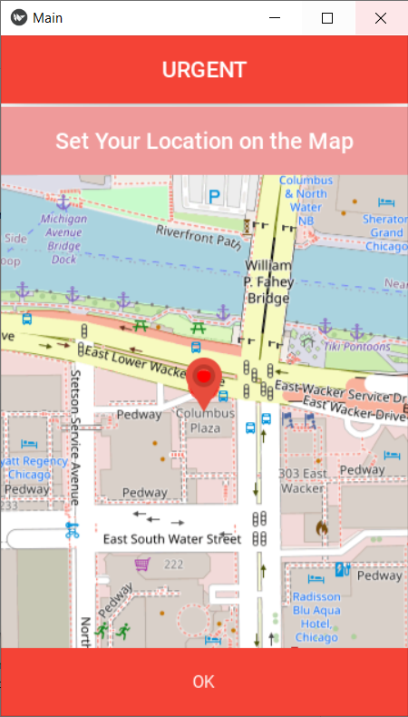
 |  | Setting the location pin to appropriate location.( Not changing in this case since we have hard coded the values in main.py because we are runnning it from PyCharm) Click on OK | App should take you to next screen | 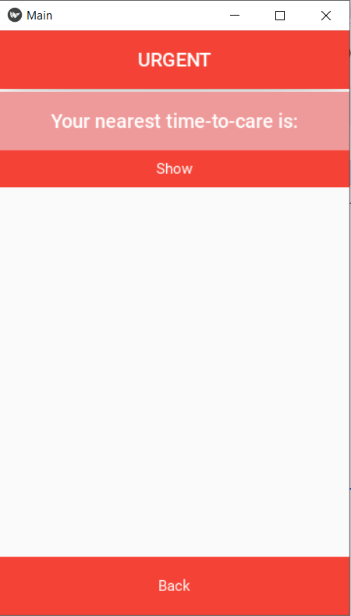
 |  | Click on Show | Top 3 Predictions must be displayed | 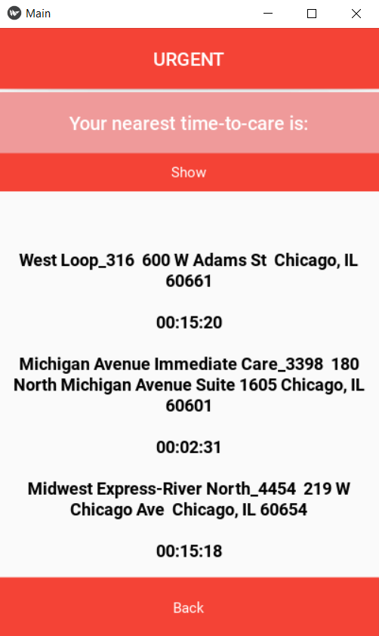
 |  | Click on Back to go back to homescreen | Take you back to homescreen | 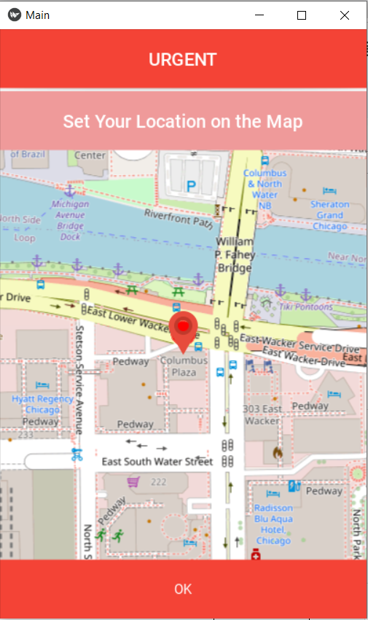
2 | Given the user location ( user lat and long), check whether the ML algorithm is fetching the correct locations based on the wait time, distance and travel time | State: California user_lat = 33.628342 user_lng = -117.927933 run final_call(user_lat, user_lng) Check results | Top 3 predictions based on the lowest wait time, nearest location and lowest travel time must be retreived in the returning list | [['Hoag Executive Health_5447 500 Superior Ave Suite 200 Newport Beach, CA 92663', '00:02:54'], ['Xpress Urgent Care - Costa Mesa_3772 131 East 17th Street Costa Mesa, CA 92627-3792', '00:14:23'], ['WC Director Schedule_4333 2075 San Joaquin Hills Rd. Newport Beach, CA 92660', '00:16:30']]
 |  | State: Illinois user_lat = 41.887620 user_lng = -87.621230 |  | [['Michigan Avenue Immediate Care_3398 180 North Michigan Avenue Suite 1605 Chicago, IL 60601', '00:02:31'], ['Midwest Express-West Loop_4432 779 W Adams St Chicago, IL 60661', '00:06:10'], ['Midwest Express-River North_4454 219 W Chicago Ave Chicago, IL 60654', '00:13:18']]
 |  | State: Arizona user_lat = 33.33 user_lng = -111.22 |  | [['FastMed Signal Butte_342 1955 S. Signal Butte Rd. 103 Mesa, AZ 85209', '00:58:54'], ['Banner Urgent Care - Ironwood & Ocotillo_1640 40773 N Ironwood Dr San Tan Valley, AZ 85140', '01:14:57'], ['Florence Hospital 4545 N Hunt Hwy, Florence, AZ 85132', '01:08:59']]
 |  | State: Colorado user_lat = 40.1 user_lng = -105.2 |  | [['UCHealth Urgent Care - Main Street_1624 2101 Main Street Longmont, CO 80501', '00:31:55'], ['UCHealth Urgent Care - Firestone_2126 5965 Firestone Blvd Firestone, CO 80504', '00:32:27'], ["Ben's Urgent Care_81 4590 W 121st Ave Broomfield, CO 80020", '00:33:08']]
 |  | State: Florida user_lat = 29.2 user_lng = -82.8 |  | [['HCA FL CITRUS HOSPITAL ER 502 W Highland Blvd, Inverness, FL 34452', '01:53:35'], ['West Marion 4600 SW 46th Ct, Ocala, FL 34474', '01:58:46'], ['West Marion 4600 SW 46th Ct, Ocala, FL 34474', '01:58:46']]
 |  | State: Florida user_lat = 28.3 user_lng = -81.2 |  | [['UCF LAKE NONA HOSPITAL ER 6700 Lake Nona Blvd, Orlando, FL 32827', '00:26:50'], ['Orlando Health St. Cloud Hospital Orlando%20Health%20St.%20Cloud%20Hospital,%202906%2017th%20St,%20St%20Cloud,%20FL%2034769,%20United%20States', '00:42:29'], ['Orlando Health St. Cloud Hospital Orlando%20Health%20St.%20Cloud%20Hospital,%202906%2017th%20St,%20St%20Cloud,%20FL%2034769,%20United%20States', '00:42:29']]
 |  | State: Indiana user_lat = 41.1 user_lng = -85.2 |  | [['Business Health Clinic South_3691 5976 W Jefferson Fort Wayne, IN 46804', '00:08:37'], ['IU Health Urgent Care - Fort Wayne_4190 9821 Lima Road Fort Wayne, IN 46818', '00:09:00'], ['RediMed Downtown_2168 203 E Berry St Fort Wayne, IN 46802', '01:38:28']]
 |  | State: Arizona user_lat = 33.24 user_lng = -111.63 |  | [['Banner Urgent Care - Ironwood & Ocotillo_1640 40773 N Ironwood Dr San Tan Valley, AZ 85140', '01:14:57'], ['FastMed Signal Butte_342 1955 S. Signal Butte Rd. 103 Mesa, AZ 85209', '02:58:09'], ['Banner Urgent Care - Crismon & Southern_1638 1157 S Crismon Mesa, AZ 85208', '08:57:58']]
 |  | State: New York user_lat = 40.71 user_lng = -74.006 |  | [['Greenwich Village_911 41 East 8th Street New York, NY 10003', '00:05:57'], ['Patient Service Center Northwell Health Labs at Lenox Health Greenwich Village 30 7th Avenue (ER Area) New York NY 10011', '00:08:14'], ['Lenox Health Greenwich Village 30 Seventh Ave New York NY 10011', '00:17:14']]
 |  | State: Nevada user_lat = 36.3225 user_lng = -114.8197 |  | [['Encompass Care_3741 6424 Losee Rd 100 North Las Vegas, NV 89086', '01:15:09'], ['ER at Aliante 7207 North Aliante Pkwy, ', '01:19:03'], ['Sunrise 3186 S Maryland Pkwy, Las Vegas, NV 89109', '01:24:03']]
 |  | State: Wisconsin user_lat = 42.9731 user_lng = -87.8687 |  | [['ACL - Aurora Health Center - Layton Ave_1559 2000 E Layton Ave St. Francis, WI 53235', '00:06:23'], ["ACL - Aurora St. Luke's Medical Center_1399 2801 W. Kinnickinnic River Parkway 325 Milwaukee, WI 53215", '00:15:02'], ['Aurora Urgent Care St. Francis_1554 2000 E Layton Ave St. Francis, WI 53235', '01:50:23']]

